Sheet1
Variable Parameters for Temperature sensitivity

Parameter Description | Symbol | Value at Reference T of 303K | Unit

Anode Reaction Rate | k01 | 0.207 | mol m-2 h-1 | These are references for standard conditions and therefore do not need to be changed
Cathode Reaction Rate | k02 | 3.29E-05
Charge transfer coefficient in anode | alpha | 0.051
Charge transfer coefficient in cathode | beta | 0.663
Half velocity rate constant in anode | Kac | 0.592 | mol m-3 | Different temps will cause different max growth rates so I should find new values for these
Half velocity rate constant in cathode | Ko2 | 0.004 | mol m-3
Capacitance of anode | CapA | 4.00E+02 | F m-2 | Non temperature dependent variable
Capicitance of cathode | CapC | 5.00E+02 | F m-2 | However, the material will undergo temperature related changes that may affect it
Electrical conductivity of membrane | km | 17 | ohm-1 m-1
Electrical conductivity of aqueous solution | kaq | 5 | ohm-1 m-1 | Apparently this doesn't have a huge affect on the power density so could justify not changing it

Things that may also change
Decay Constant | Kdec | 8.33E-04

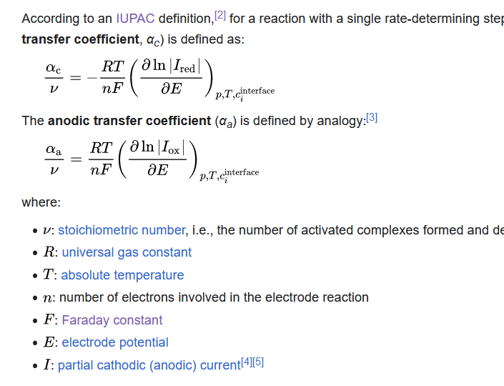

 |  |  |  |  | Charge Transfer Coefficients

 |  |  |  |  | Dependent on temperature, I reckon I can say that everything else stays constant

 |  |  |  | Temperature |  |  | Values shown here for reference, in the code I will set up a direct relationship
 |  |  |  |  | Alpha | Beta
 |  |  |  | 277 | 0.046623762376 | 0.60610891089 | Eg alpha = T/303*0.051 so I don't have to add data matrices
 |  |  |  | 278 | 0.046792079208 | 0.6082970297
 |  |  |  | 279 | 0.04696039604 | 0.61048514851
 |  |  |  | 280 | 0.047128712871 | 0.61267326733
 |  |  |  | 281 | 0.047297029703 | 0.61486138614
 |  |  |  | 282 | 0.047465346535 | 0.61704950495
 |  |  |  | 283 | 0.047633663366 | 0.61923762376
 |  |  |  | 284 | 0.047801980198 | 0.62142574257
 |  |  |  | 285 | 0.04797029703 | 0.62361386139
 |  |  |  | 286 | 0.048138613861 | 0.6258019802
 |  |  |  | 287 | 0.048306930693 | 0.62799009901
 |  |  |  | 288 | 0.048475247525 | 0.63017821782
 |  |  |  | 289 | 0.048643564356 | 0.63236633663
 |  |  |  | 290 | 0.048811881188 | 0.63455445545
 |  |  |  | 291 | 0.04898019802 | 0.63674257426
 |  |  |  | 292 | 0.049148514851 | 0.63893069307
 |  |  |  | 293 | 0.049316831683 | 0.64111881188
 |  |  |  | 294 | 0.049485148515 | 0.64330693069
 |  |  |  | 295 | 0.049653465347 | 0.6454950495
 |  |  |  | 296 | 0.049821782178 | 0.64768316832
 |  |  |  | 297 | 0.04999009901 | 0.64987128713
 |  |  |  | 298 | 0.050158415842 | 0.65205940594
 |  |  |  | 299 | 0.050326732673 | 0.65424752475
 |  |  |  | 300 | 0.050495049505 | 0.65643564356
 |  |  |  | 301 | 0.050663366337 | 0.65862376238
 |  |  |  | 302 | 0.050831683168 | 0.66081188119
 |  |  |  | 303 | 0.051 | 0.663

